Defect Dump
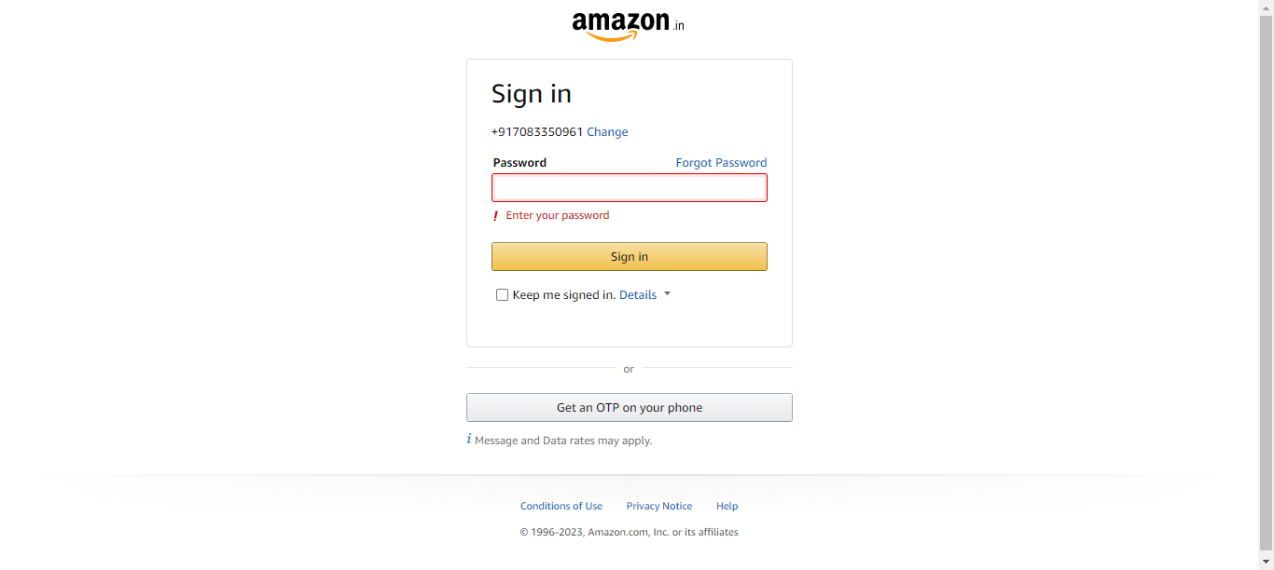
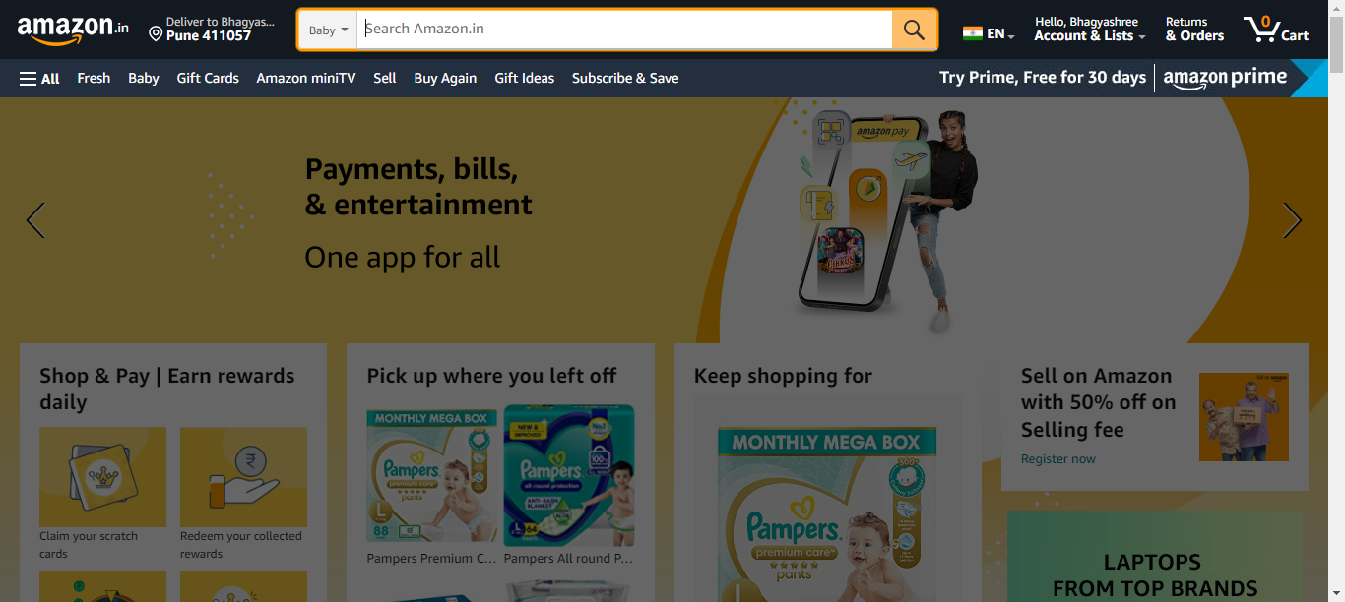
TestMethod | Defect Summary | Defect Description | Error | Time | Browser | DefectEnv | DefectStatus | DuplicatesFound | Error Screenshot
loginToAmazon | SIT | AmazonPage | loginToAmazon | Enter Password and verify SignIn button is failed in Selenabler Framework | 1)Navigate to SignIn Page 2)Enter Username and continue 3)Enter Password and verify SignIn button is failed | Failure Reason from Selenabler Framework: expected [true] but found [false] | 2023.02.16.16.07.02 | Chrome | SIT | Done | 0
searchProductOnAmazon | SIT | AmazonPage | searchProductOnAmazon | Enter product Name on the search bar is failed in Selenabler Framework | 1.Navigate to Baby section 2.Enter product Name on the search bar is failed | Failure Reason from Selenabler Framework: expected [true] but found [false] | 2023.02.16.16.11.47 , 2023.02.16.16.07.35 | Chrome | SIT | In Progress | 1
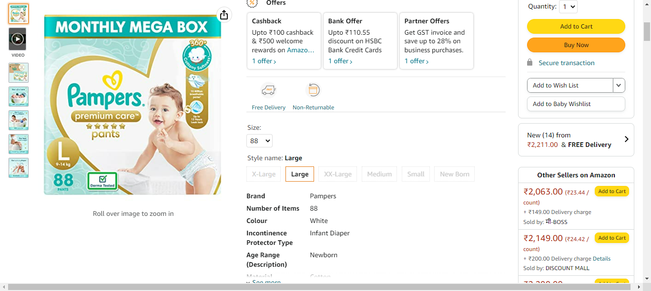
addProductToCart | SIT | AmazonPage | addProductToCart | Select quantity and add to cart is failed in Selenabler Framework | 1)Select product after navigating to product page 2)Select quantity and add to cart is failed | Failure Reason from Selenabler Framework: expected [Add to Car] but found [Add to Cart] | 2023.02.16.16.12.14 , 2023.02.16.16.08.03 | Chrome | SIT | To Do | 1
loginToAmazon | SIT | AmazonPage | loginToAmazon | Enter Password and verify SignIn button is failed in Selenabler Framework | 1)Navigate to SignIn Page 2)Enter Username and continue 3)Enter Password and verify SignIn button is failed | Failure Reason from Selenabler Framework: expected [true] but found [false] | 2023.07.18.12.41.40 , 2023.07.17.16.07.49 , 2023.02.16.16.11.29 | Chrome | SIT | To Do | 2
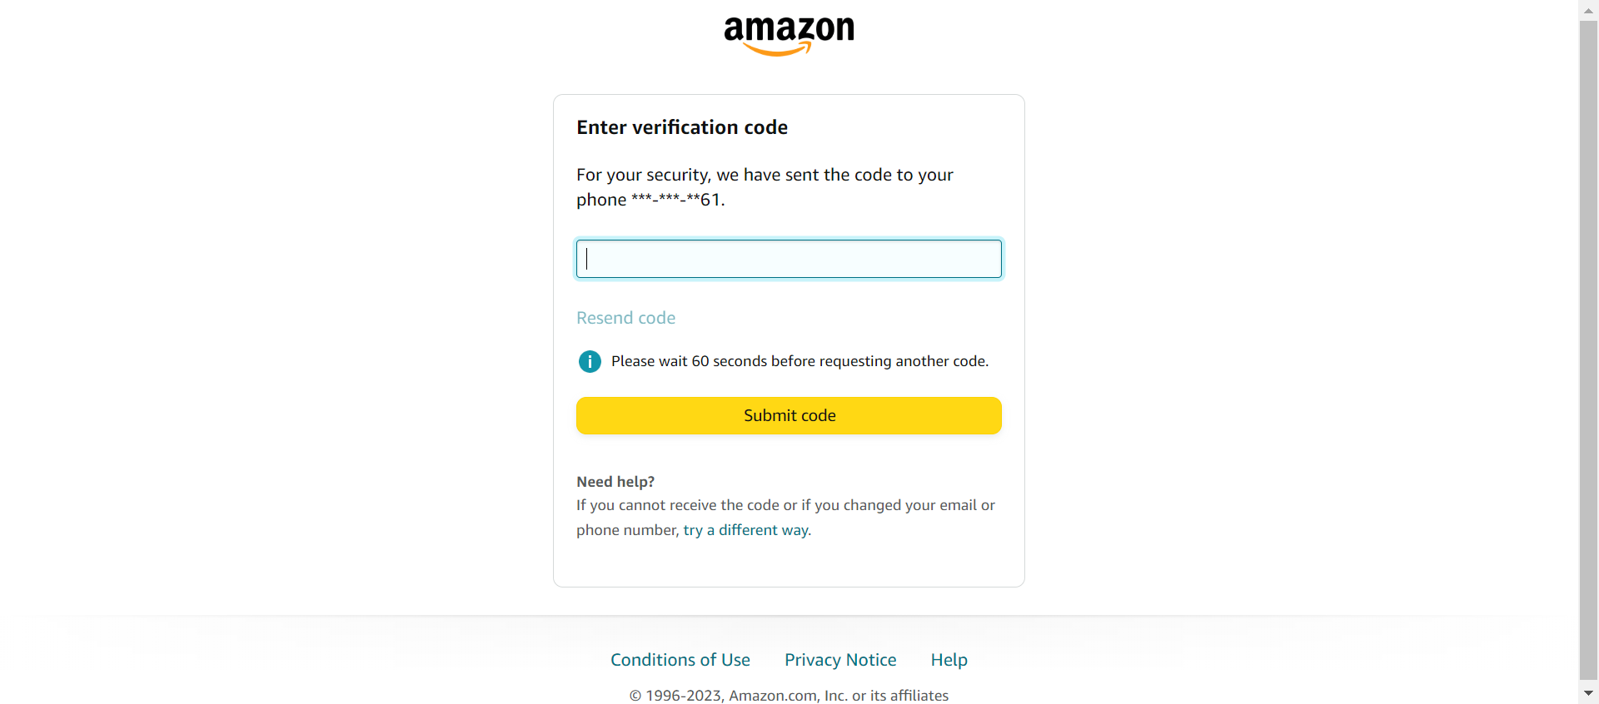
searchProductOnAmazon | SIT | AmazonPage | searchProductOnAmazon | Navigate to Baby section is failed in Selenabler Framework | 1.Navigate to Baby section is failed | Failure Reason from Selenabler Framework: no such element: Unable to locate element: {"method":"xpath","selector":"//select[@id='searchDropdownBox']"} (Session info: chrome=114.0.5735.199) For documentation on this error, please visit: http://seleniumhq.org/exceptions/no_such_element.html Build info: version: '3.12.0', revision: '7c6e0b3', time: '2018-05-08T14:04:26.12Z' System info: host: 'NCSIN04R4GYP3C0', ip: '10.176.44.90', os.name: 'Windows 10', os.arch: 'amd64', os.version: '10.0', java.version: '17.0.7' Driver info: org.openqa.selenium.chrome.ChromeDriver Capabilities {acceptInsecureCerts: false, browserName: chrome, browserVersion: 114.0.5735.199, chrome: {chromedriverVersion: 114.0.5735.90 (386bc09e8f4f..., userDataDir: C:\Users\p1357938\AppData\L...}, goog:chromeOptions: {debuggerAddress: localhost:61713}, javascriptEnabled: true, networkConnectionEnabled: false, pageLoadStrategy: normal, platform: WINDOWS, platformName: WINDOWS, proxy: Proxy(), setWindowRect: true, strictFileInteractability: false, timeouts: {implicit: 0, pageLoad: 300000, script: 30000}, unhandledPromptBehavior: dismiss and notify, webauthn:extension:credBlob: true, webauthn:extension:largeBlob: true, webauthn:extension:minPinLength: true, webauthn:extension:prf: true, webauthn:virtualAuthenticators: true} Session ID: 08221ade6a3379fbebb04492d373b650 *** Element info: {Using=xpath, value=//select[@id='searchDropdownBox']} | 2023.07.18.12.41.58 , 2023.07.17.16.08.09 | Chrome | SIT | To Do | 1
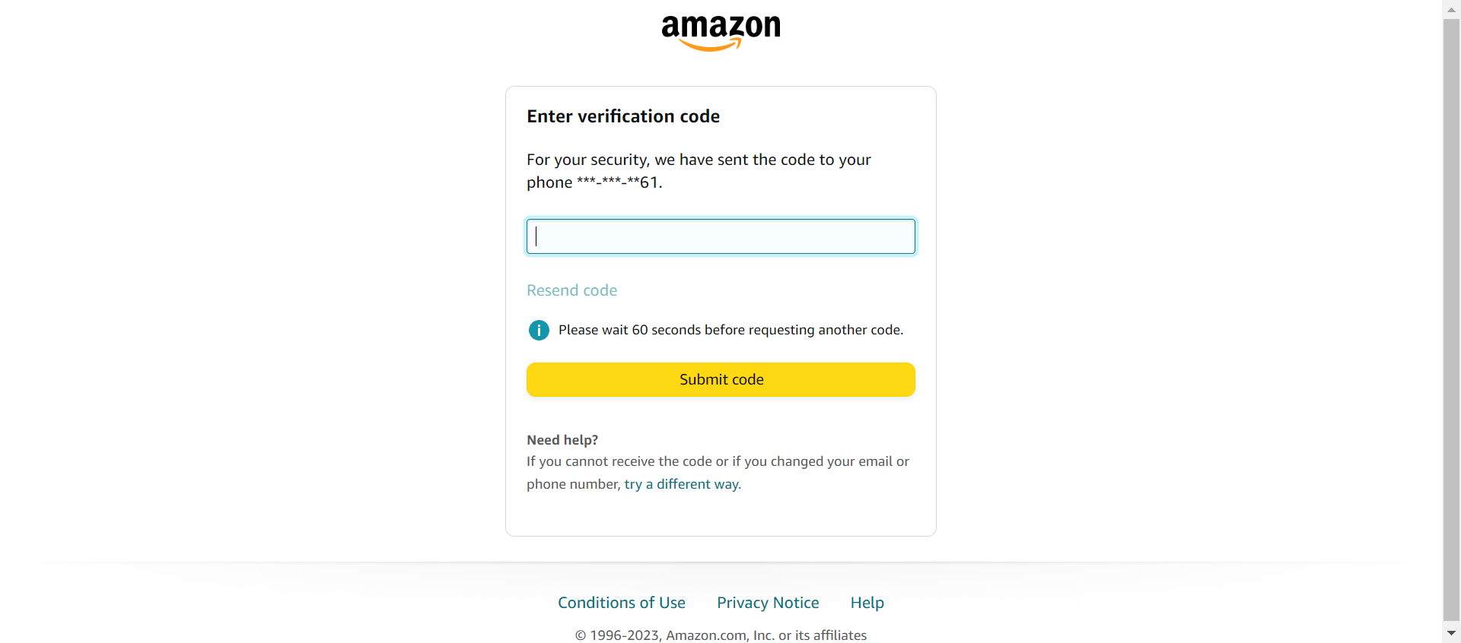
addProductToCart | SIT | AmazonPage | addProductToCart | User should be navigated to product page is failed in Selenabler Framework | User should be navigated to product page is failed | Failure Reason from Selenabler Framework: no such element: Unable to locate element: {"method":"xpath","selector":"//select[@id='searchDropdownBox']"} (Session info: chrome=114.0.5735.199) For documentation on this error, please visit: http://seleniumhq.org/exceptions/no_such_element.html Build info: version: '3.12.0', revision: '7c6e0b3', time: '2018-05-08T14:04:26.12Z' System info: host: 'NCSIN04R4GYP3C0', ip: '10.176.44.90', os.name: 'Windows 10', os.arch: 'amd64', os.version: '10.0', java.version: '17.0.7' Driver info: org.openqa.selenium.chrome.ChromeDriver Capabilities {acceptInsecureCerts: false, browserName: chrome, browserVersion: 114.0.5735.199, chrome: {chromedriverVersion: 114.0.5735.90 (386bc09e8f4f..., userDataDir: C:\Users\p1357938\AppData\L...}, goog:chromeOptions: {debuggerAddress: localhost:61797}, javascriptEnabled: true, networkConnectionEnabled: false, pageLoadStrategy: normal, platform: WINDOWS, platformName: WINDOWS, proxy: Proxy(), setWindowRect: true, strictFileInteractability: false, timeouts: {implicit: 0, pageLoad: 300000, script: 30000}, unhandledPromptBehavior: dismiss and notify, webauthn:extension:credBlob: true, webauthn:extension:largeBlob: true, webauthn:extension:minPinLength: true, webauthn:extension:prf: true, webauthn:virtualAuthenticators: true} Session ID: d2f8ab3a1558e217dbb28fe0c2a6346d *** Element info: {Using=xpath, value=//select[@id='searchDropdownBox']} | 2023.07.18.12.42.15 , 2023.07.17.16.08.31 | Chrome | SIT | To Do | 1
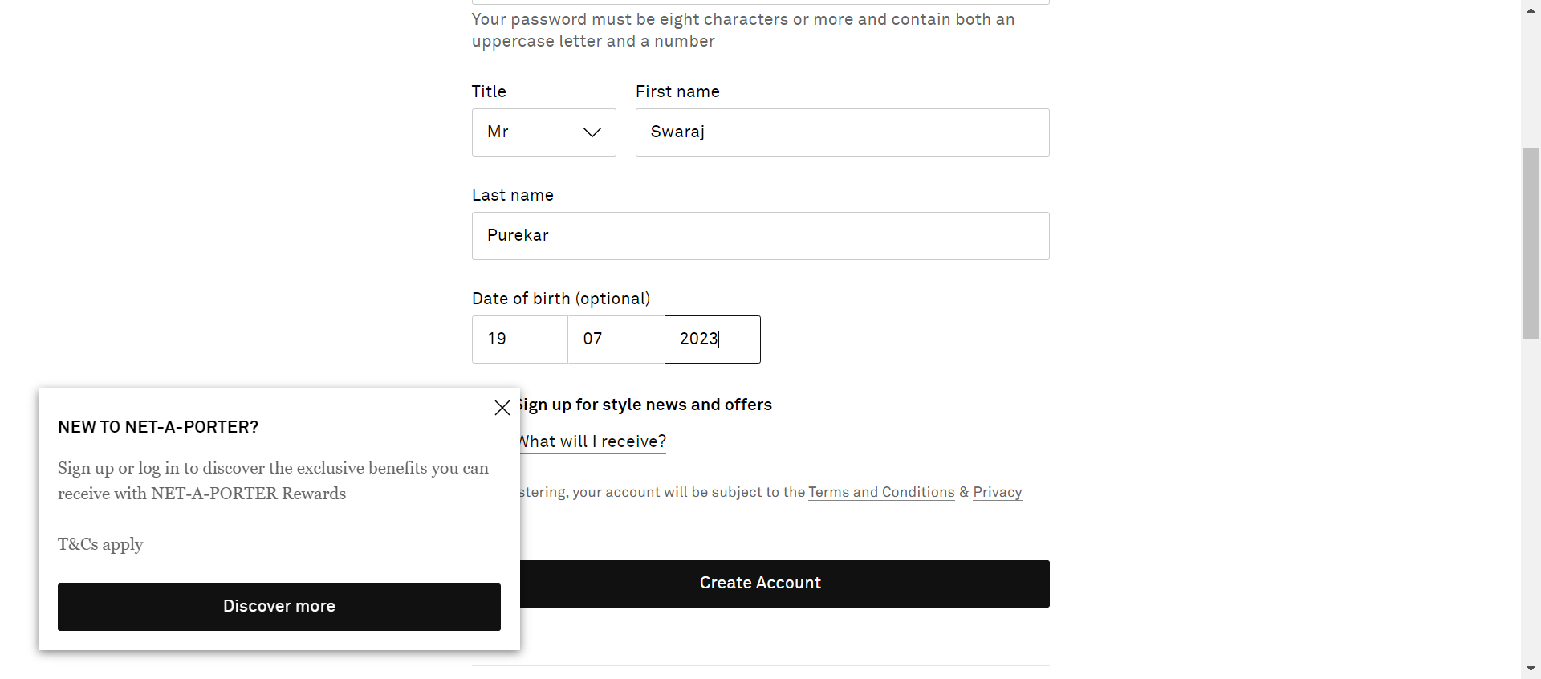
SignUp | SIT | SignUp | SignUp | SignIn button should be located is failed in Selenabler Framework | SignIn button should be located is failed | Failure Reason from Selenabler Framework: no such element: Unable to locate element: {"method":"css selector","selector":"#loginRegistration > div.ValidatedField14.ValidatedField14--registration\.dateOfBirthGroup.ValidatedField14--error.RegistrationForm20__dateOfBirthGroup.RegistrationForm20__dateOfBirthGroup--error > div.Notification13.Notification13--field-error.ValidatedField14__error"} (Session info: chrome=114.0.5735.199) For documentation on this error, please visit: http://seleniumhq.org/exceptions/no_such_element.html Build info: version: '3.12.0', revision: '7c6e0b3', time: '2018-05-08T14:04:26.12Z' System info: host: 'NCSIN04R4GYP3C0', ip: '10.176.44.90', os.name: 'Windows 10', os.arch: 'amd64', os.version: '10.0', java.version: '17.0.7' Driver info: org.openqa.selenium.chrome.ChromeDriver Capabilities {acceptInsecureCerts: false, browserName: chrome, browserVersion: 114.0.5735.199, chrome: {chromedriverVersion: 114.0.5735.90 (386bc09e8f4f..., userDataDir: C:\Users\p1357938\AppData\L...}, goog:chromeOptions: {debuggerAddress: localhost:54246}, javascriptEnabled: true, networkConnectionEnabled: false, pageLoadStrategy: normal, platform: WINDOWS, platformName: WINDOWS, proxy: Proxy(), setWindowRect: true, strictFileInteractability: false, timeouts: {implicit: 0, pageLoad: 300000, script: 30000}, unhandledPromptBehavior: dismiss and notify, webauthn:extension:credBlob: true, webauthn:extension:largeBlob: true, webauthn:extension:minPinLength: true, webauthn:extension:prf: true, webauthn:virtualAuthenticators: true} Session ID: ce8deca785db9d83609779ee925f6261 *** Element info: {Using=css selector, value=#loginRegistration > div.ValidatedField14.ValidatedField14--registration\.dateOfBirthGroup.ValidatedField14--error.RegistrationForm20__dateOfBirthGroup.RegistrationForm20__dateOfBirthGroup--error > div.Notification13.Notification13--field-error.ValidatedField14__error} | 2023.07.20.15.13.46 , 2023.07.20.14.42.24 , 2023.07.20.12.38.33 , 2023.07.20.11.19.15 | Chrome | SIT | To Do | 3
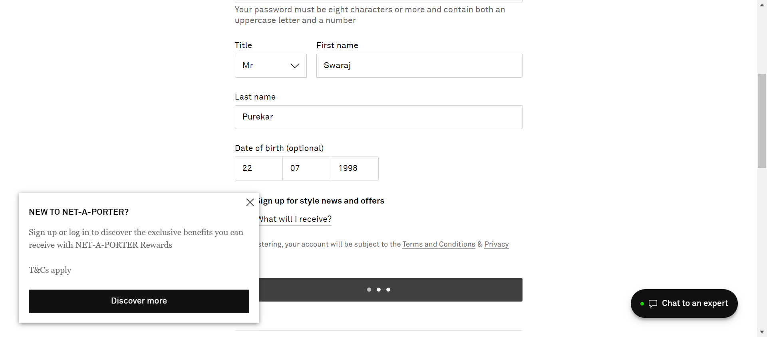
SignUp2 | SIT | SignUp | SignUp2 | SignIn button should be located is failed in Selenabler Framework | SignIn button should be located is failed | Failure Reason from Selenabler Framework: expected [true] but found [false] | 2023.07.20.15.40.09 , 2023.07.20.15.15.58 | Chrome | SIT | To Do | 1

